Bug Report
ID | Test Title | Test Steps | Expected result | Actual Result | Severity | Priority | Environment | Screenshot / Video | Rate | Status
BUG-001 | User is not able to signup if he/she enters a first name with three charachters | 1- Enter a first name with "HAT". 2- Fill a correct last name. 3- Fill a correct email formate, and the email should not be registered in the database. 4- Fill a correct password. 5- Fill a correct confirm password. 6- Click on signup button | Should be able to signup correctly | This error message was displayed "First Name is required, and it should be more than 3 characters" | High | Medium | Chrome V. 137.0.7151.69 | 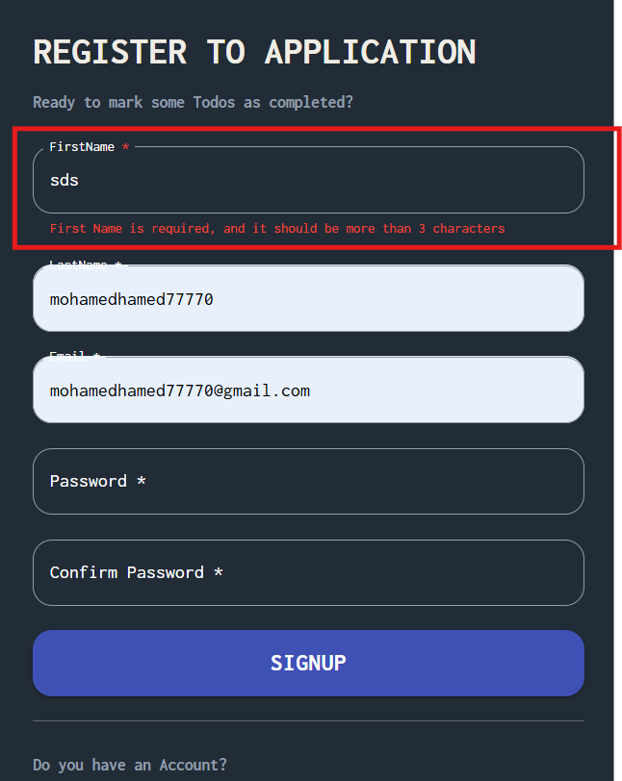 | Four | closed
BUG-002 | The location of the loader in the login page is wrong | 1- Go to login page 2- Fill the email 3- Fill the password 4- Click on login 5- Check the loader | The loader should appear correctly in the correct location | The loader will be displayed in a wrong location | Low | Low | Chrome V. 137.0.7151.70 | 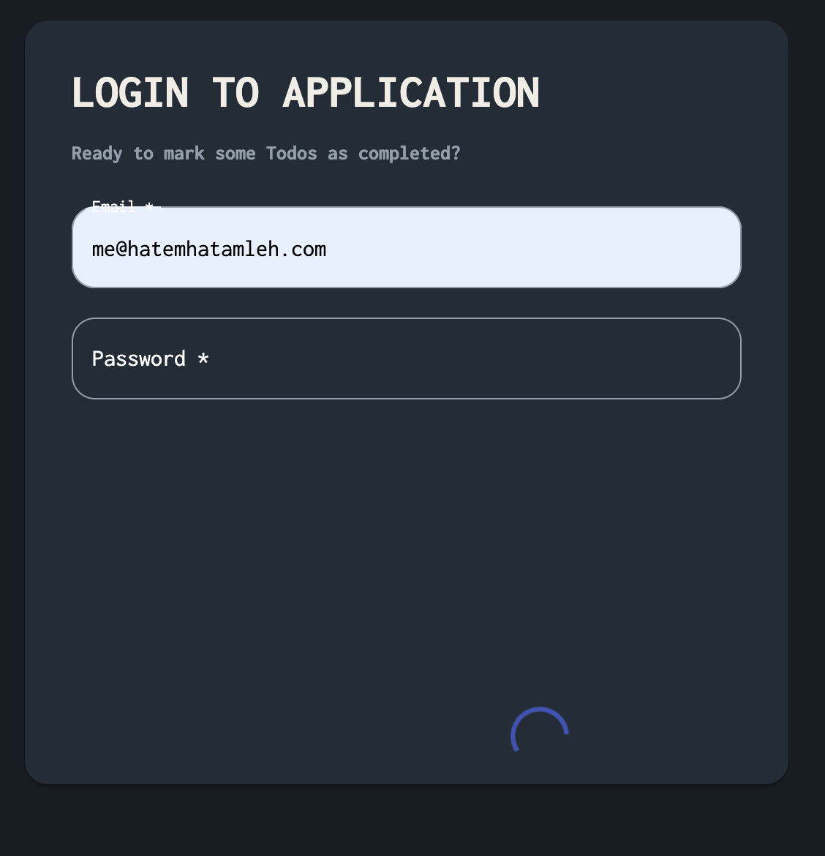 | Four | closed
BUG-003 | No available task message will appear when adding a total of 5 tasks | 1- Go to Todos Page 2- Add 5 tasks | No available tasks should not be visible | No available task is visible | High | High | Chrome V. 137.0.7151.71 | 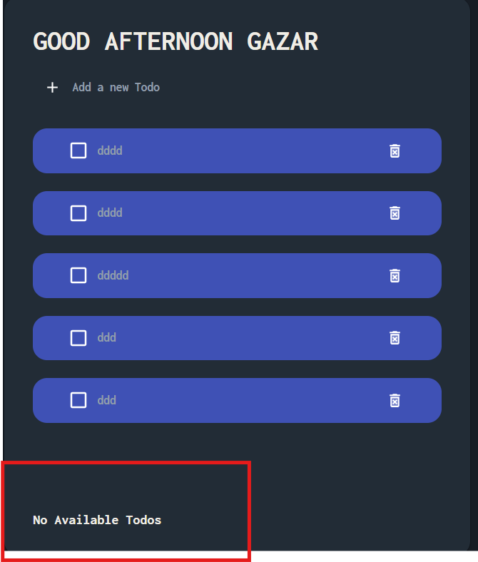 | Four | closed
BUG-004 | UI appears inconsistent across different devices | 1. Open the ToDo page using: a. Mobile device (e.g., Chrome DevTools Mobile View) b. Tablet device c. Desktop | Layout should remain visually consistent and user-friendly across all screen sizes | On mobile, components are either too small or misaligned compared to desktop. Extra spacing in header. | High | High | Chrome V. 137.0.7151.72 |  | Four | Open
BUG-005 | Saved login doesn't persist across browsers | 1. Register and login using Google Chrome 2. Open the same app on Microsoft Edge or Firefox 3. Check if user is still logged in or has to re-login | User session should persist or behave consistently across browsers | Login/session does not persist between browsers (e.g., logged in on Chrome, but not on Edge) | Medium | High | Chrome V. 137.0.7151.73 | N/A | Four | Open

